Price list
 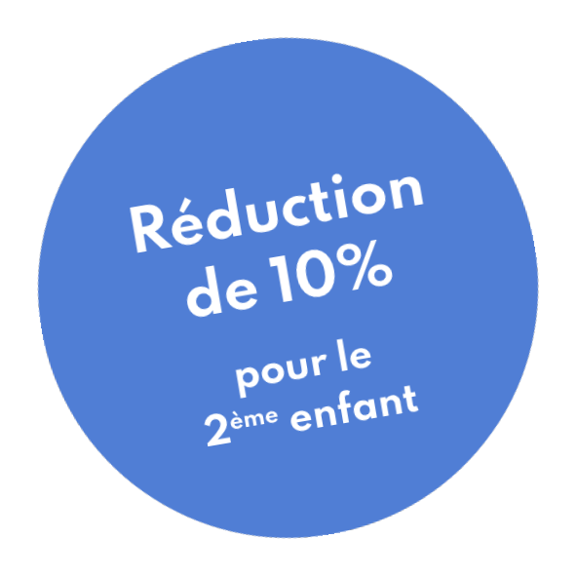
 |  | Tarifs Registration fees Valid for all the services offered by The Garden Academy throughout the school year (September-August), the registration fee is 50 € for any registration for Afterschool, Wednesday, Saturday or school holidays and 150 € for our Preschool & School. It includes the costs of registration and administrative procedures. Payment terms The proposed rate is an annual rate payable in the semester upon registration then in January or depending on the establishment of a payment schedule. A deposit of 20% of the total annual amount must be paid upon registration, the balance paid by direct debit in 8 installments.Any unsubscription request must be made by registered letter while giving 3 months notice. Any month started is due. No refund request will be granted.
English Pre-school for kids ages 2-3 & School 3-5
 | Program | Description (3 semaines de vacances scolaires incluses) - Option Juillet possible. | Unit | Monthly | Half Year | Full Year
 | Preschool & School fees | Enrolment Fees | 150.00 € | - | - | -
 |  | Frais d'adhésion annuelle
 | Preschool mornings | Mornings, Monday - Friday 8:30am-11:45am | - | 690.00 € | 3,450.00 € | 6,900.00 €
 |  | Matinée, Lundi-Vendredi (8h30-11h45)
 | Preschool Day | Full Day Week, Monday through Friday 8:30-4:00pm - July enrollement possible | - | 1,190.00 € | 5,950.00 € | 11,900.00 €
 |  | Journée complète, Lundi-Vendredi (8h30-16h) - Option juillet possible
 | Preschool Day + | Full Day Week + After School Program Included, Monday-Friday 8:30-6:30pm, July enrollement possible |  | 1,390.00 € | 6,950.00 € | 13,900.00 €
 |  | Journée complète periscolaire inclus, Lundi-Vendredi (8h30-18h30) - Option juillet possible

After School Program Prices 2019 - 2020 Kids ages 3-12
 | Program | Description (vacances scolaires non incluses) | Unit | Month | Semester | Full Year
 | Inscription Academy | Enrollment Fees | 50 € | - | - | -
 |  | Frais d'adhésion annuelle
 | Afterschool Monday & Thursday | Mondays and Thursdays 4:30-6:30pm | - | 300 € | 1,500 € | 3,000 €
 |  | Lundi et jeudi 16h30-18h30
 | Afterschool Tuesday & Friday | Tuesdays and Fridays 3pm-6:30pm | - | 390 € | 1,950 € | 3,900 €
 |  | Mardi et vendredi 15h-18h30
 | Afterschool Full 16h30 | Monday, Tuesday, Thursday and Friday 4:30-6:30 | - | 590 € | 2,950 € | 5,900 €
 |  | Lundi, mardi, jeudi, vendredi 16h30-18h30
 | Afterschool Full | Mondays and Thursdays 4:30-6:30pm plus Tuesdays and Fridays 3pm - 6:30pm | - | 690 € | 3,450 € | 6,900 €
 |  | Lundi & jeudi 16h30-18h30 plus mardi & vendredi 15h-18h30
 | Wednesday Afternoon | Wonderful Wednesday PM 1:30-6:30pm | - | 300 € | 1,500 € | 3,000 €
 |  | Mercredis apres-midis 13h30-18h30
 | Wednesday morning | Wonderful Wednesday AM 8:30-11:45pm | - | 290 € | 1,450 € | 2,900 €
 |  | Mercredis matinées 8h30-11h45
 | Wednesday Full | Wonderful Wednesday FULL 8:30-6:30 | - | 440 € | 2,200 € | 4,400 €
 |  | Mercredis complets 8h30-18h30
 | Saturday AM | Saturday Morning Workshop 9:30-12:30pm | - | 290 € | 1,450 € | 2,900 €
 |  | Samedis matinées 9h30-12h30

English Vacation Camps for Kids ages 3-12
 | Class code | Description | Week | Monthly | Semester
 | Vacation Camps mornings | Morning week for age 3 only 8:30-11:45am | 300 € | - | -
 |  | Pour les 3 ans seulement 8h30-11h45
 | Vacation Camps full day | Full week 8:30am-6:30pm | 440 €
 |  | Semaine complète 8h30-18h30

Private lessons Prices • Tarifs cours particuliers
 | Program | Description (School holidays not included / Vacances scolaires non incluses) | Unit | Monthly | Semester
 | Inscription Academy | Enrolment Fees | 50 € | - | -
 |  | Frais d'adhésion annuelle
 | Private music lesson | 30 minute Music Lesson - payment per semester | 35 € | - | -
 |  | 30 minutes Cours de Musique - paiement au semestre
 | English physical lesson one to one | 45 mins Private English lesson - payment 10 sessions (Age 4+) | 450 €
 |  | 45 minutes Cours d'Anglais - paiement 10 séances (+ de 4 ans)
 | English physical lesson one to one | 30 mins Private English lesson - payment 5 sessions (Age 4+) | 225 € | - | -
 |  | 30 minutes Cours d'Anglais - paiement 5 séances (+ de 4 ans)
 | English private lesson online Packs 8 lessons | 30 mins Private English lesson Online - payment 8 sessions (Age 6+) | 300 € | - | -
 |  | 30 minutes Cours d'Anglais Online- paiement 8 séances (+ de 6 ans)
 | English private lesson online Pack 12 lessons | 45 mins Private English lesson Online - payment 12 sessions (Age 6+) | 425 € | - | -
 |  | 45 minutes Cours d'Anglais Online - paiement 12 séances (+ de 6 ans)

